Screenshot of SAS studio
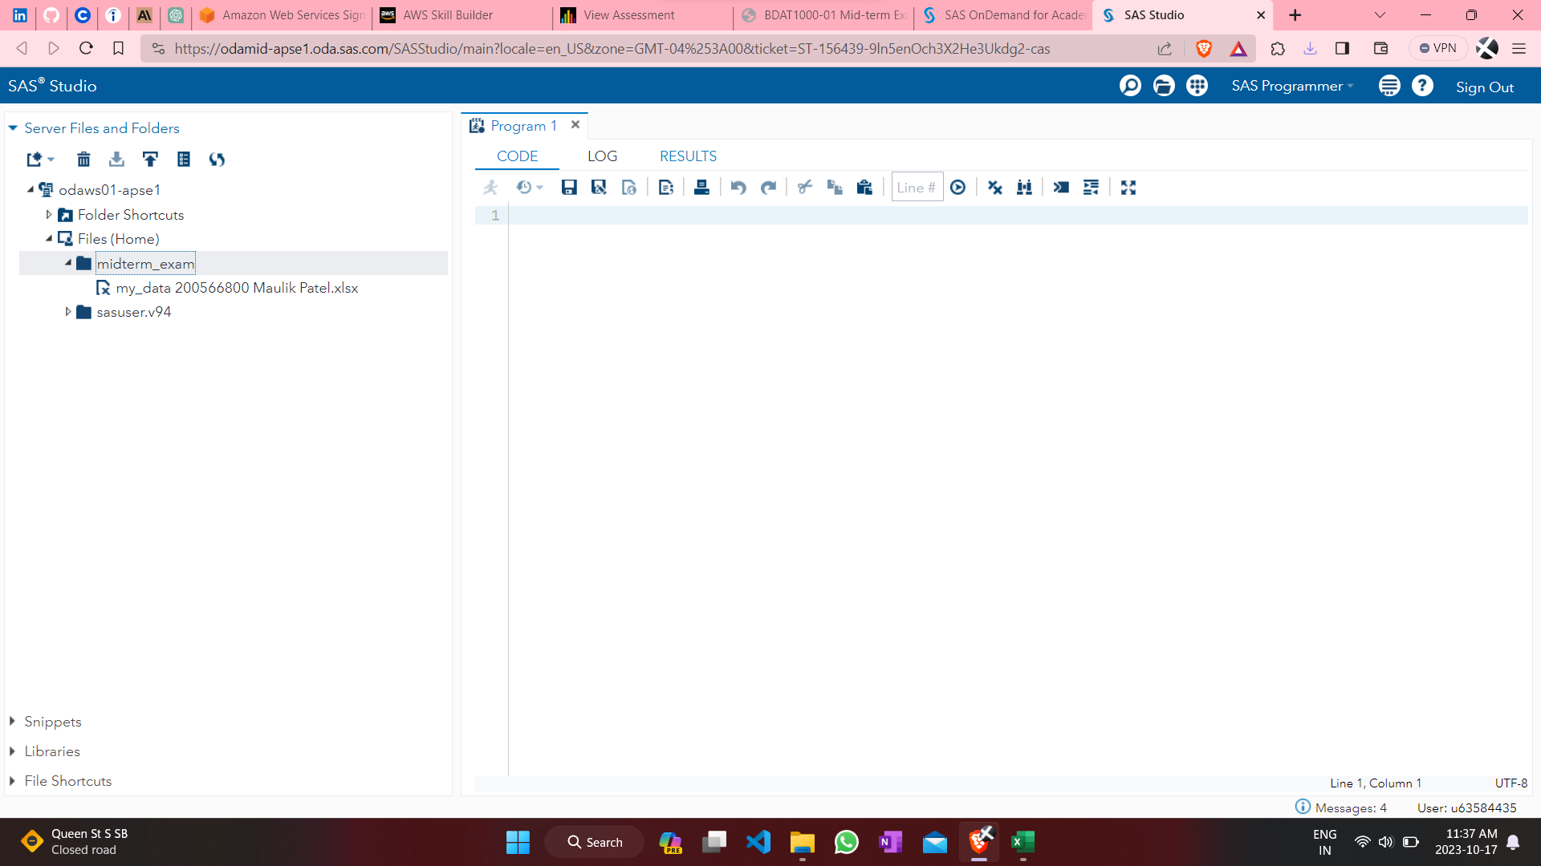

1) HBP vs Gender
'High Blood Pressure' by Gender'
Count of High Blood Pressure | GENDER
High Blood Pressure | F | M | Grand Total
Differential Risk | 1373 | 1869 | 3242
High Risk | 251 | 530 | 781
Low Risk | 115 | 126 | 241
Medium Risk | 37 | 28 | 65
Grand Total | 1776 | 2553 | 4329

2)Patient self-management poten
Patient self-management potential vs Severity of symptom
Count of Patient self-management potential | Column Labels
Row Labels | Good | Poor | Very Good | Very Poor | Grand Total
Mild | 503 | 394 | 238 | 157 | 1292
Moderate | 671 | 553 | 322 | 217 | 1763
Severe | 317 | 557 | 169 | 231 | 1274
Grand Total | 1491 | 1504 | 729 | 605 | 4329

3) Gender vs Year and Quarter
Gender vs Year and Quarter
 | F | M
Q1-2019 | 5 | 19
Q1-2020 | 35 | 76
Q1-2021 | 67 | 108
Q1-2022 | 77 | 125
Q1-2023 | 84 | 136
Q1-2024 | 83 | 116
Q1-2025 | 46 | 70
Q1-2026 | 12 | 8
Q1-2027 |  | 1
Q2-2019 | 21 | 22
Q2-2020 | 59 | 75
Q2-2021 | 80 | 110
Q2-2022 | 90 | 125
Q2-2023 | 86 | 116
Q2-2024 | 94 | 104
Q2-2025 | 46 | 54
Q2-2026 | 13 | 9
Q3-2019 | 16 | 52
Q3-2020 | 48 | 93
Q3-2021 | 80 | 118
Q3-2022 | 81 | 130
Q3-2023 | 80 | 136
Q3-2024 | 68 | 95
Q3-2025 | 26 | 38
Q3-2026 | 1 | 4
Q4-2019 | 43 | 46
Q4-2020 | 73 | 94
Q4-2021 | 79 | 129
Q4-2022 | 85 | 130
Q4-2023 | 91 | 102
Q4-2024 | 73 | 82
Q4-2025 | 27 | 29
Q4-2026 | 7 | 1
Count of Year and Quarter | Column Labels
Row Labels | F | M | Grand Total
Q1-2019 | 5 | 19 | 24
Q1-2020 | 35 | 76 | 111
Q1-2021 | 67 | 108 | 175
Q1-2022 | 77 | 125 | 202
Q1-2023 | 84 | 136 | 220
Q1-2024 | 83 | 116 | 199
Q1-2025 | 46 | 70 | 116
Q1-2026 | 12 | 8 | 20
Q1-2027 |  | 1 | 1
Q2-2019 | 21 | 22 | 43
Q2-2020 | 59 | 75 | 134
Q2-2021 | 80 | 110 | 190
Q2-2022 | 90 | 125 | 215
Q2-2023 | 86 | 116 | 202
Q2-2024 | 94 | 104 | 198
Q2-2025 | 46 | 54 | 100
Q2-2026 | 13 | 9 | 22
Q3-2019 | 16 | 52 | 68
Q3-2020 | 48 | 93 | 141
Q3-2021 | 80 | 118 | 198
Q3-2022 | 81 | 130 | 211
Q3-2023 | 80 | 136 | 216
Q3-2024 | 68 | 95 | 163
Q3-2025 | 26 | 38 | 64
Q3-2026 | 1 | 4 | 5
Q4-2019 | 43 | 46 | 89
Q4-2020 | 73 | 94 | 167
Q4-2021 | 79 | 129 | 208
Q4-2022 | 85 | 130 | 215
Q4-2023 | 91 | 102 | 193
Q4-2024 | 73 | 82 | 155
Q4-2025 | 27 | 29 | 56
Q4-2026 | 7 | 1 | 8
Grand Total | 1776 | 2553 | 4329

4) Gender vs Most Serious Sympt
Gender vs Most Serious Symptom
Count of Most Serious Symptom | Column Labels
Row Labels | F | M | Grand Total
abdominal pain | 95 | 136 | 231
dizziness | 77 | 125 | 202
hallucinations | 87 | 109 | 196
headache | 849 | 1221 | 2070
itching | 108 | 149 | 257
nausea | 182 | 283 | 465
palpitations | 96 | 128 | 224
skin rash | 93 | 135 | 228
tinnitus | 89 | 140 | 229
vomiting | 100 | 127 | 227
Grand Total | 1776 | 2553 | 4329

5) BMI vs HBP
High Blood Pressure vs BMI status
Count of High Blood Pressure | Column Labels
Row Labels | Differential Risk | High Risk | Low Risk | Medium Risk | Grand Total
Healthy Weight | 1749 | 386 | 114 | 35 | 2284
Obesity | 187 | 59 | 10 | 3 | 259
Overweight | 965 | 236 | 79 | 18 | 1298
Underweight | 341 | 100 | 38 | 9 | 488
Grand Total | 3242 | 781 | 241 | 65 | 4329

6) BMI vs Severity of Symptom
BMI status vs Severity of Symptom
Count of Severity of symptom | Column Labels
Row Labels | Mild | Moderate | Severe | Grand Total
Healthy Weight | 899 | 1134 | 251 | 2284
Obesity | 23 | 58 | 178 | 259
Overweight | 226 | 398 | 674 | 1298
Underweight | 144 | 173 | 171 | 488
Grand Total | 1292 | 1763 | 1274 | 4329

